Data Sht2
Tool Number | REPLACE SCREENSHOT BELOW: SHOW CENTER OF GRAVITY OF TOOL
0
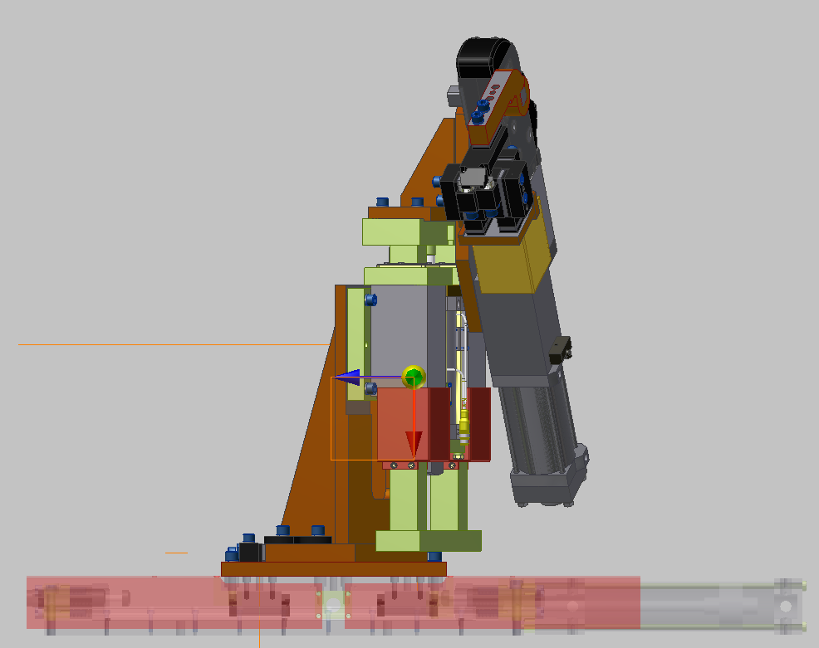

APPROX. C.G.

TOP OF SLIDE

199 mm
253 mm

C/L OF CYLINDER

 |  | Sht 2 of 3

Data Sht3
Tool Number | REPLACE SCREENSHOT BELOW: SHOW CENTER OF GRAVITY OF TOOL
0

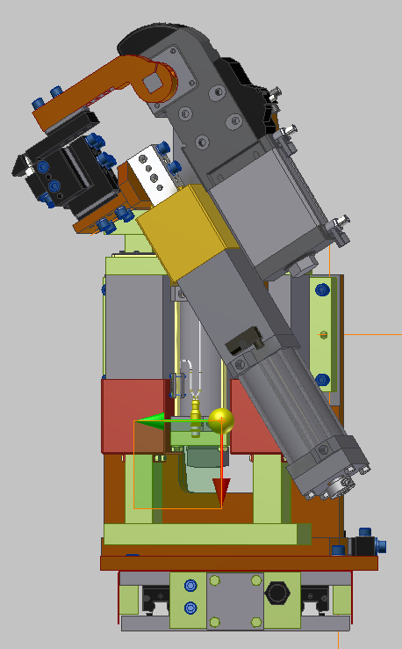

APPROX. C.G.

C/L OF CYLINDER
19 mm

 |  | Sht 3 of 3

